Goal Seek
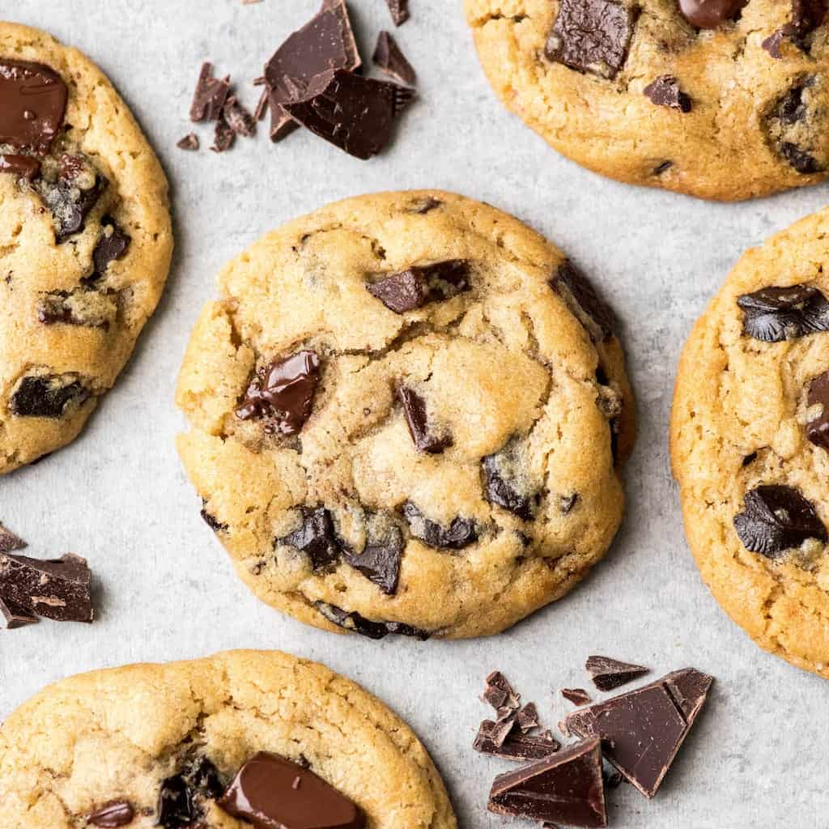
How many cookies do I need to sell to breakeven?
How many cookies do I need to sell to become a cookie millionaire?
How many cookies do I need to sell to become a cookie multi-millionaire?

Cookies Sold | - | Input
Unit Price | $5.00
Unit Cost | $2.50
Fixed Cost | $10,000.00
Total Profit | $(10,000.00) | Formula-based output

Solver Advanced
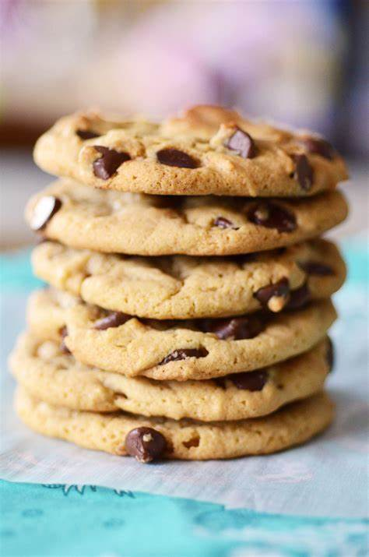
What types of cookies should I bake to maximize profit?

Cookie Type | Quantity to Bake | Total Demand | Profit per cookie | Total Profit
Chocolate Chip | 10,000 | 10,000 | $1.50 | $15,000.00
Fortune | - | 4,000 | $0.30 | $-
Oatmeal Raisin | 4,000 | 4,000 | $1.40 | $5,600.00
Snickerdoodle | - | 7,000 | $0.50 | $-
Sugar | - | 2,500 | $0.75 | $-
White Chocolate Macadamia | 1,000 | 6,000 | $1.15 | $1,150.00
Total Baked: | 15,000 | 33,500

Oven capacity | 15,000 |  | Total Profit | $21,750.00

